9-13.Quality Attributes
9.Chemical Standard & Harmful Contamination
Test Item Depends on the products, different pesticides, heavy metals, chemicals should be monitord. Fill in the items to be monitored according to the likely risk of contamination ; Example : Cadmium in seaweed, Acidity in sushi ginger |  | EU MRL standard/Recommendation | Country of Origin MRL Standard | Test Frequency
Inorganic -arsenic |  | ≤0.3mg/kg | ─ | once per year
Lead(Pb) |  | ─ | ≤ 1.0 mg/kg (on dry basis) | once per year
Cadmium(Cd) |  | ≤3.0mg/kg | ─ | once per year
Mecury (Hg) |  | ≤0.01 mg/kg (on raw material basis) | ─ | once per year
10.Acrylamide
Are Products at risk of acrylamide? |  |  |  |  | No
If Yes. What mitigation measures are in place to manage acrylamide levels with the food? |  |  |  |  | N/A
11.Radioactivity | *occurs naturally in all food and can be transferred into food in different ways eg crops from soil, drinking water from the earth, Fish and Shellfish from the water or Sea floor.
Has the product/ ingredient been irradiated? |  |  |  |  | No
Is the product/ ingredient subject to potential radioactive cross contamination? |  |  |  |  | No
If yes, what controls in place |  |  |  |  | N/A
Has the product/ ingredient been imported into the UK from a country that has high levels of radioactivity? |  |  |  |  | No
If Yes, how is this controlled and what checks are carried out? |  |  |  |  | N/A
12.Microbiology Standards | *Please insert GB standard
Micro-organisms | Type | EU Standard | Country of Origin Government Standard | Manufacturer Own Standard | Test Frequency
TVC | Quality Indicator | <104 | <3×104 | <3×104 | Minimum 1 sample /day | *please clarify by filling in how many samples per day/PO rather than by each lot
Coliforms | Hygiene indicator | − | <30 | <30 | Minimum 1 sample /day
Escherichia coli | Hygiene indicator | <20 | <30 | <30 | 1 sample/PO
Enterobacteriaceae | Hygiene indicator | <100
Listeria spp | Hygiene indicator | Not Detected
Listeria monocytogenes | Pathogens | Not Detected
Campylobacter spp. | Pathogens | Not Detected
Escherichia coli O157 | Pathogens | Not Detected
Salmonella spp. | Pathogens | Not Detected | ND | ND | 1 sample/PO
Shigella spp. | Pathogens | Not Detected
Vibrio cholera (O1 and O139) | Pathogens | Not Detected
Vibrio parahaemolyticus | Pathogens | <20 | ND | ND | 1 sample/PO
Bacillus cereus | Pathogens | <103
Bacillus spp. | Pathogens | <103
Clostridium perfringens | Pathogens | <10
Staphylococcus aureus and other coagulase-positive staphylococci | Pathogens | <20 | ND | ND | 1 sample/PO
Yeast & Mould | Hygiene indicator | − | <300 | <300 | 1 sample/PO
13.Acceptance and Rejection standard
Standard Product Photo & Description |  | Rejected Product Photo& Description
IE. Grading, Sizing, Appearance, Flavor/taste, Texture, Colour, smell |  | IE. Grading, Sizing, Appearance, Flavor/taste, Texture, Colour, smell
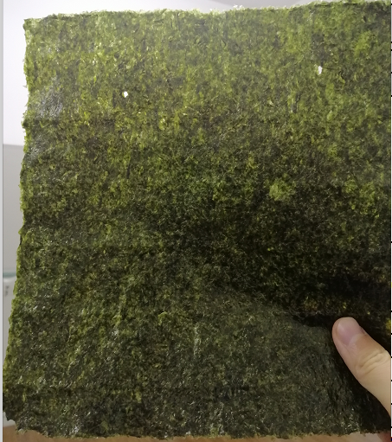 A&B grade nori with 2 or 3 holes no more than 3mm; allowing the missing piece no less than 10mm at the edge green color seaweed aroma fresh seaweed flavor crispy |  | 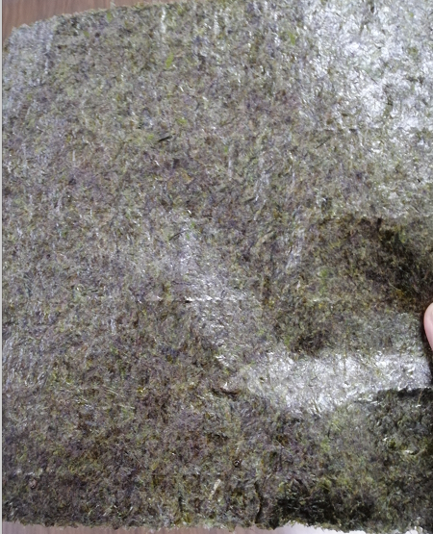 There are obvious black spots, wrinkles, splits black color off seaweed aroma cannot bite it easily torn, broken, thin

17-20.HACCP,Artwork&SpecAuthor.
17.Process Flow Chart- (showing all CCPs)
Please provide in the form a Critical Control Point (CCP), a description of the process/packing operations including processing times tempuratures where applicable and in process Safery Control Checks (CCP Summary) and Quality Checks.
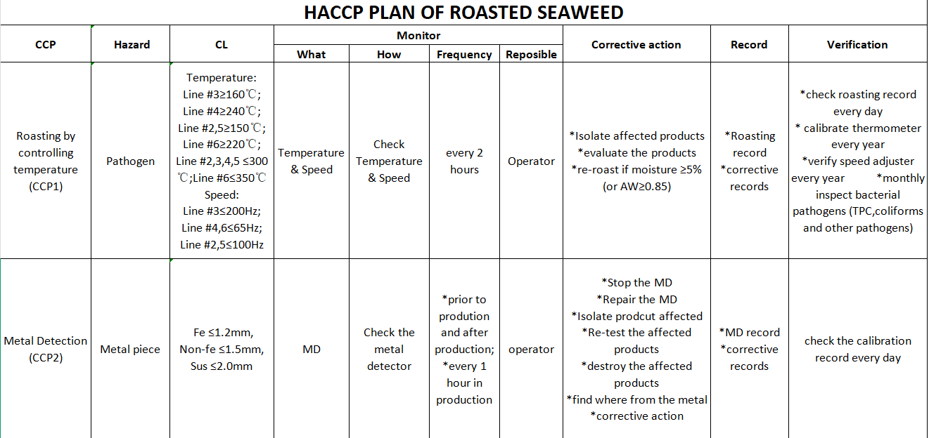 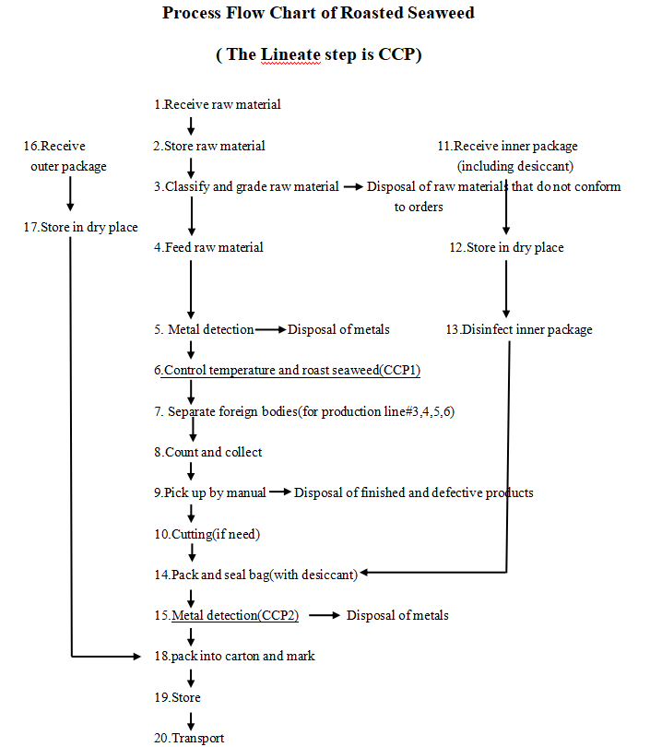 *please insert HACCP plan of product
18.Critical Control Points
CCP | Control Measure |  | Critical Limit | Monitoring Frequency
roasting by controlling temperature | check temperature and speed on each production line and record it |  | Temperature: Line #3≥160℃; Line #4≥240℃; Line #2,5≥150℃;Line #6≥220℃; Line #2,3,4,5 ≤300℃; Line #6≤350℃ Speed: Line #3≤200Hz; Line #4,6≤65Hz; Line #2,5≤100Hz | every2 hours
metal detecting | using metal test piece to check |  | Fe ≤1.2mm, Non-fe ≤1.5mm, Sus ≤2.0mm | *prior to prodution and after production; *every 1 hour in production
19.Artwork
Inner Label / Package Design artwork |  | Outer Label / Package Design artwork
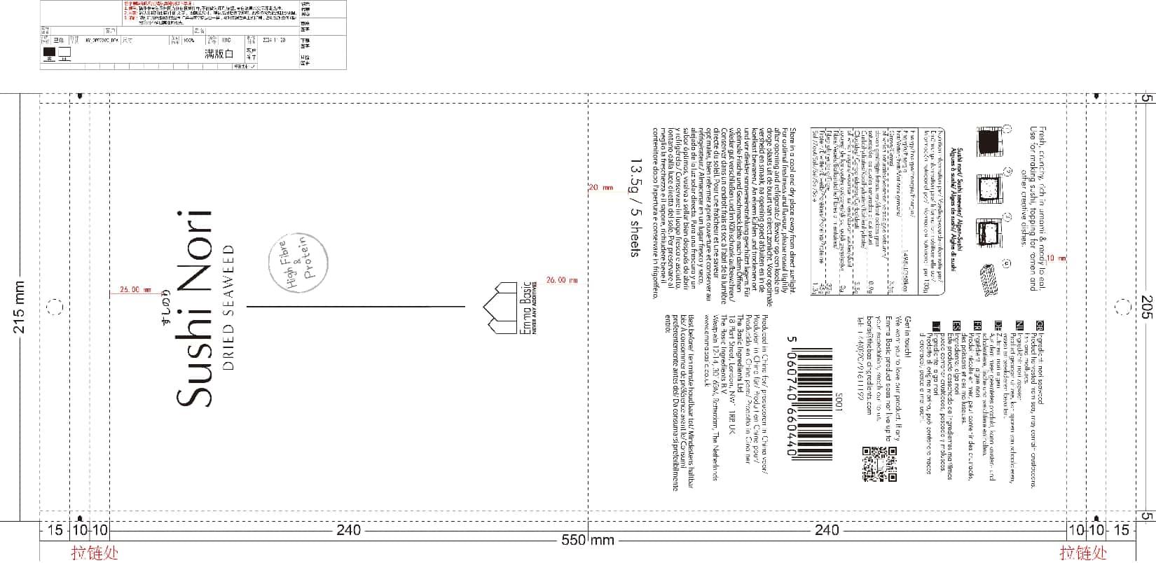 |  | 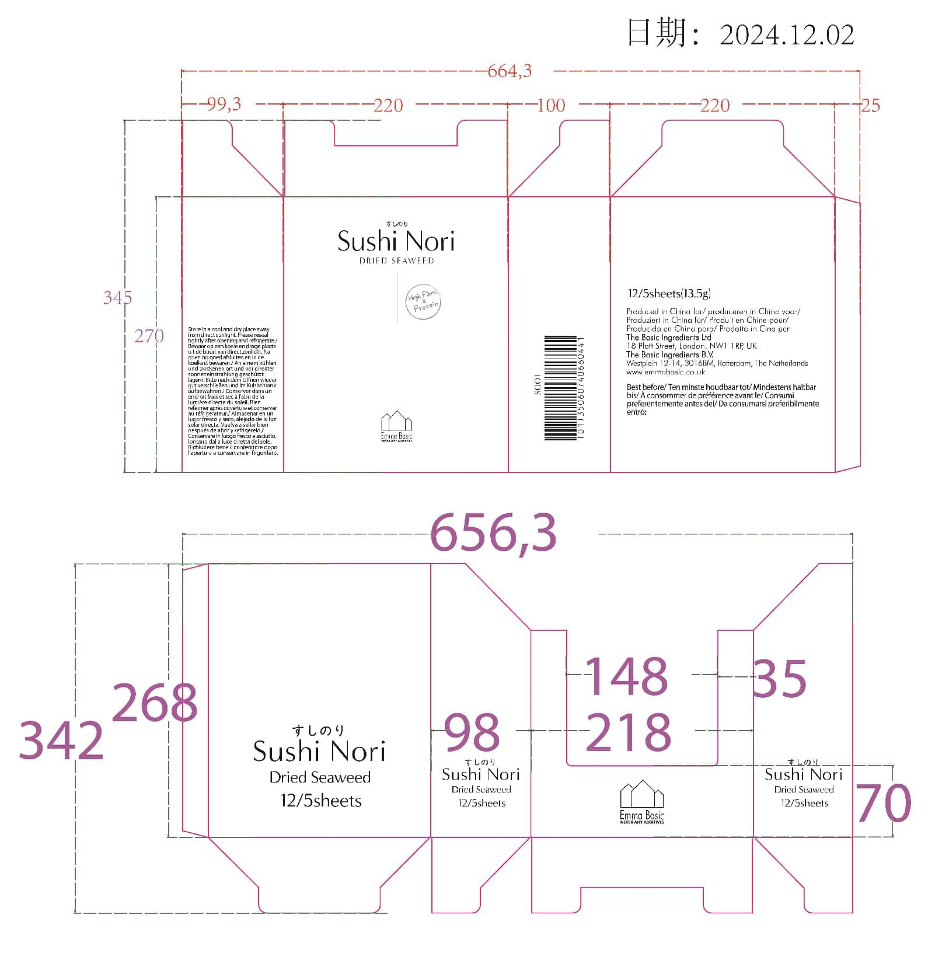 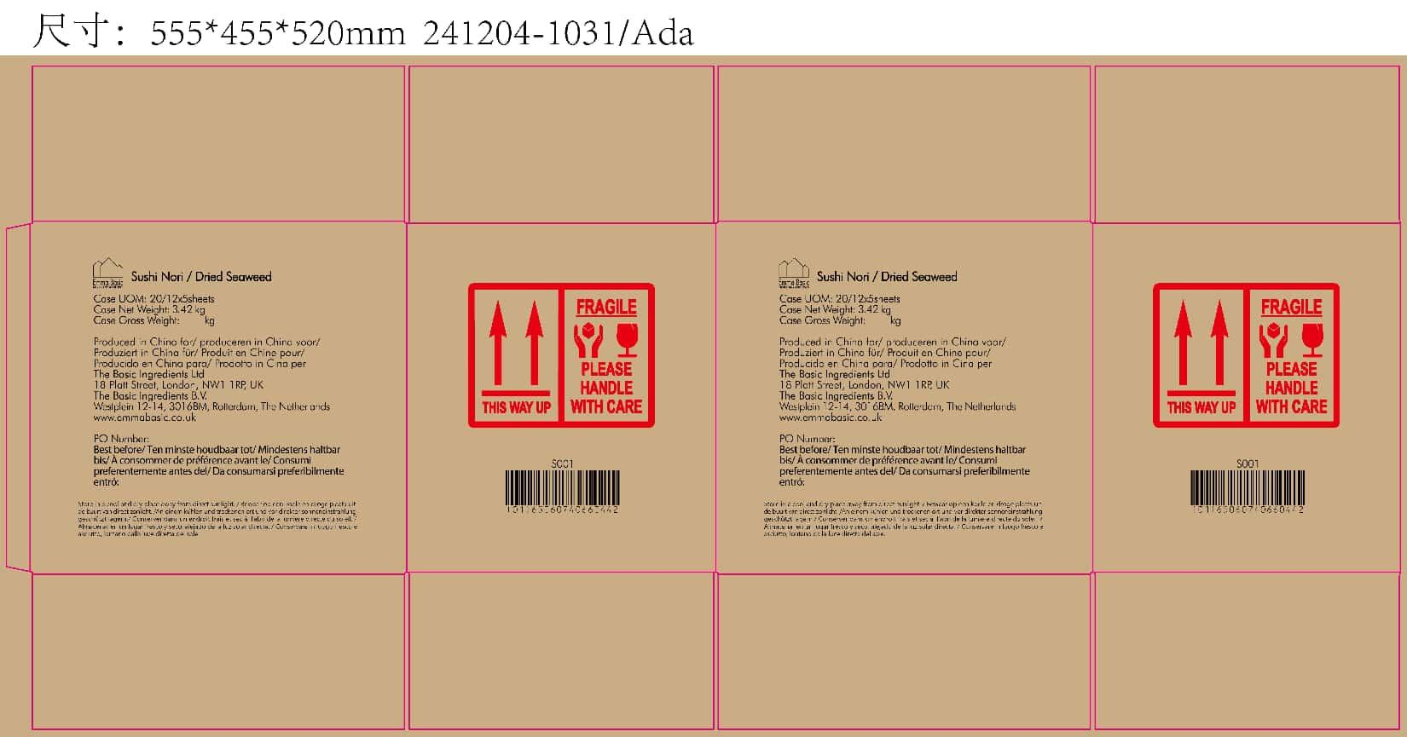

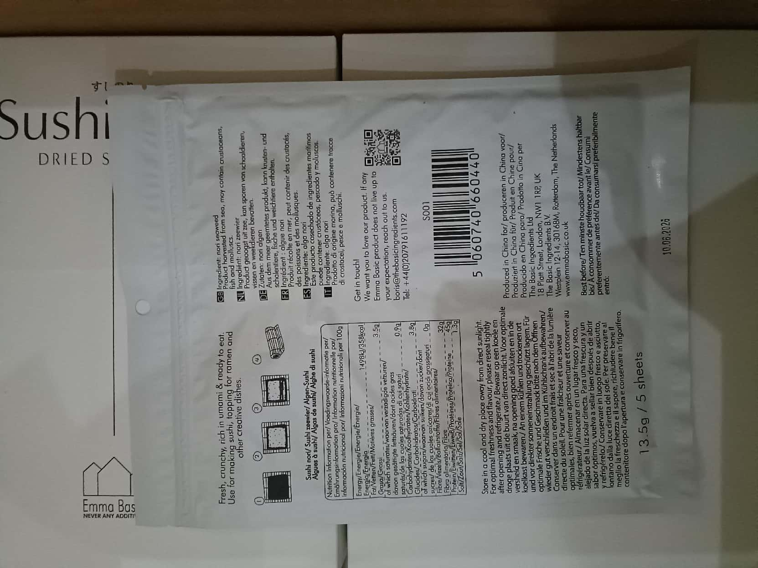
20.Packaging Photos
Finished Product with Primary package | Outer Case (Secondary) |  |  | Tertiary
 | 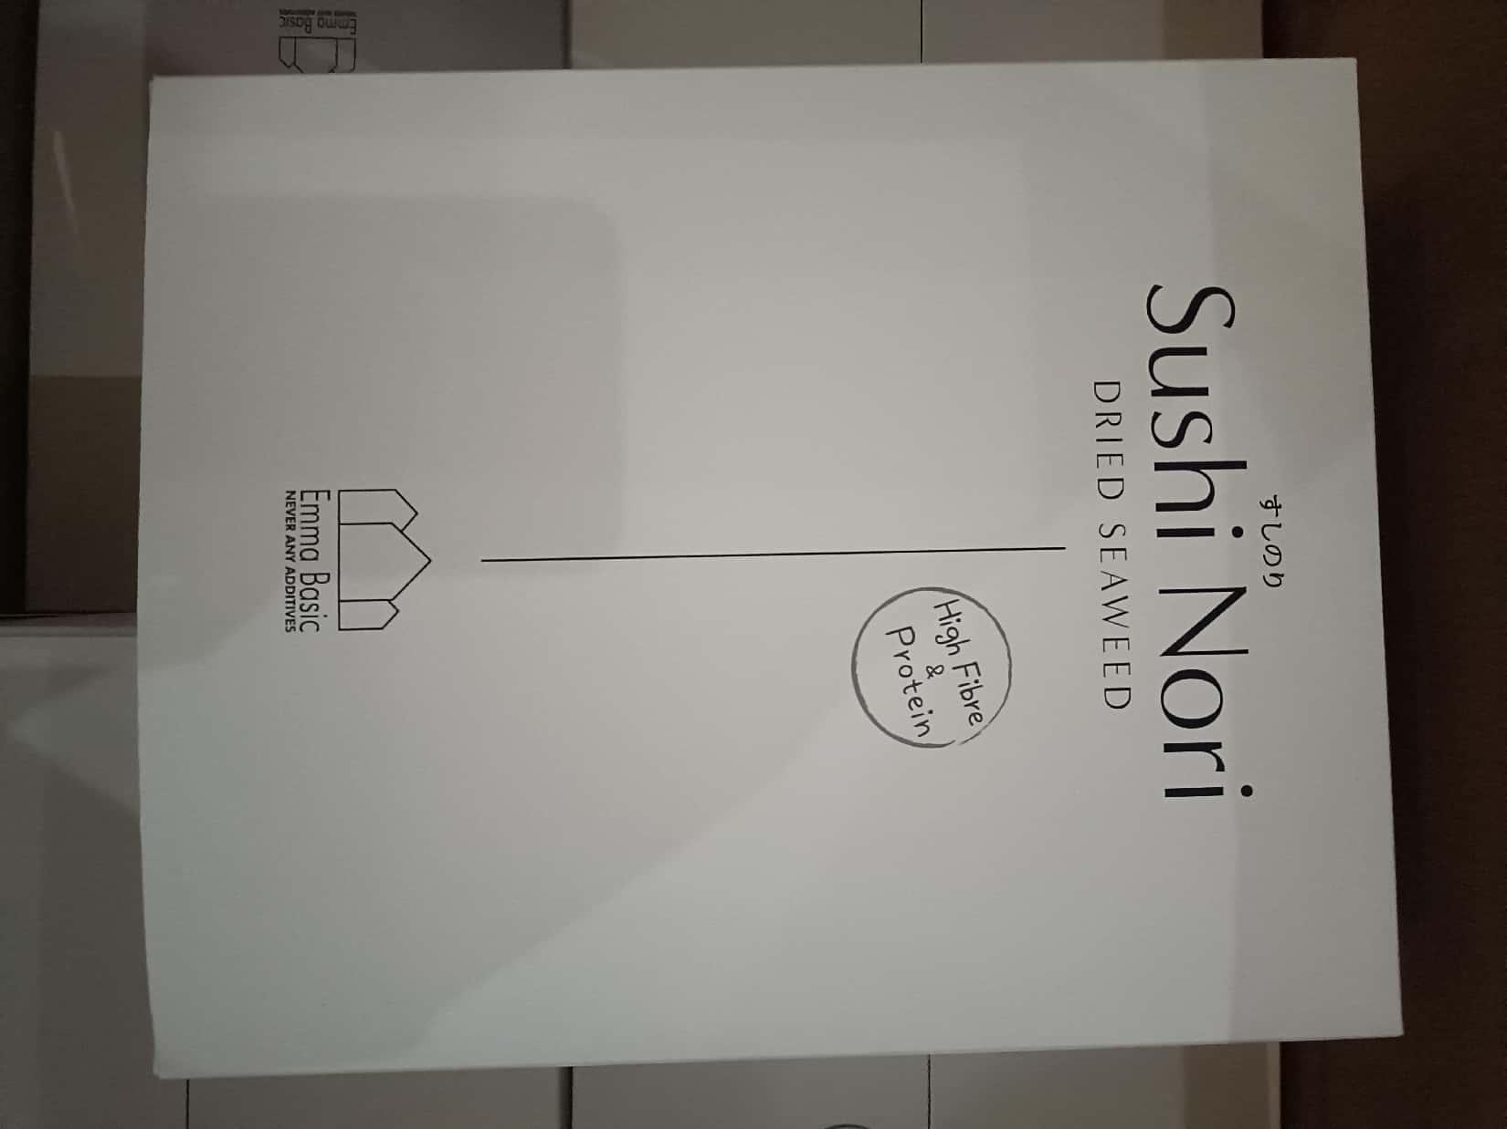 |  |  | 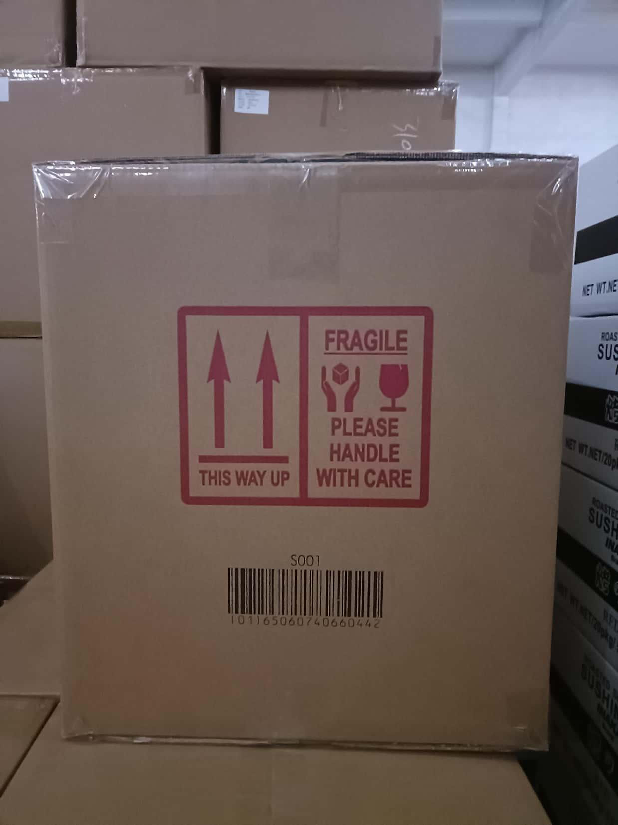 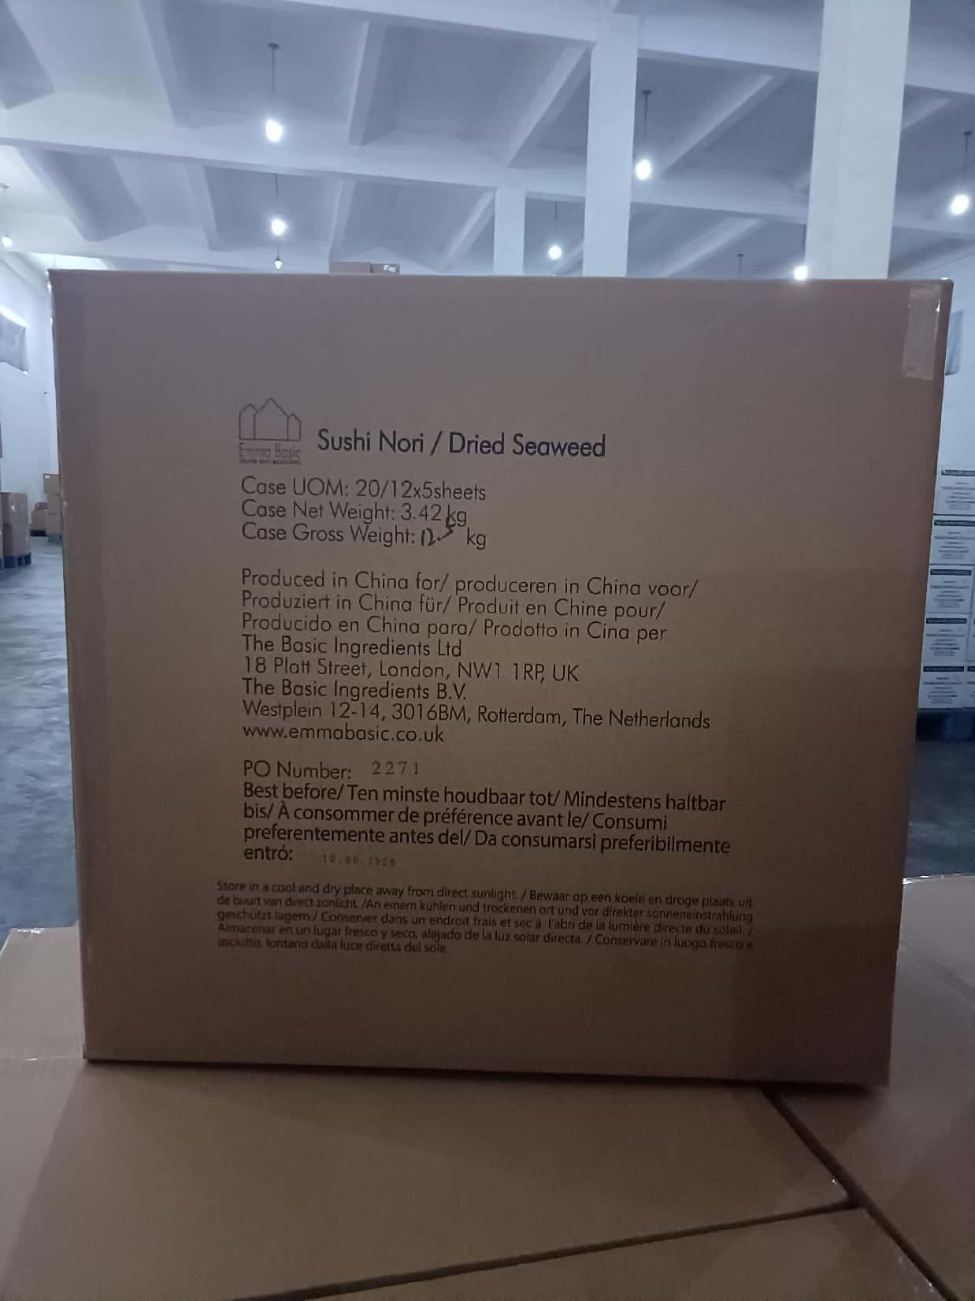
Specification Authorization
1.Product to be supplied in accordance with this agreed specification. No changes are to be made without prior knowledge and prior written agreement of The Basic Ingredients Ltd. 2.The contents of this specification are confidential and should not be disclosed to a third party without a written approval of The Basic Ingredients Ltd. 3. Product must be fit for purpose of the nature and substance stated in this specification and free from foreign body. 4. The raw materials used in this product fulfil the requirements described in the Regulation 1881/2006/EC related to contaminants in foodstuffs, the Regulation 396/2005/EC related to pesticides in foodstuffs, and their amendments. 5. The product has not been treated with ionising radiation and does not contain any irradiated ingredients- Regulated under Directive 1999/2/EC and Directive 1999/3/EC. 6. This product does not contain ingredients that contain GMO or consist of GMO or were produced from GMO - Regulated under Regulation (EC) No 1829/2003, Regulation (EC) No 1830/2003, and their amendments. 7. Products to be delivered using suitable transport in the stated conditions (i.e. ambient, chilled, frozen). 8. The information on this specification can be used without reservation to advise customers with food allergies, intolerances or aversions, especially those who may die from an anaphylactic reaction to traces of ingredients. 9. All materials intended to come into contact with foods complies with European regulations: Regulation (EC) No. 1935/2004, Regulation (EC) No. 2023/2006, Regulation (EU) No. 10/2011, Directives 82/711/EEC, 85/572/EEC, 2002/72/EEC (and the relevant amendments).
Manufacturer Name | NANTONG XIEHE FOODS CO., LTD.
Signature
Print Name | LIU JIAN
Position in Company | Department Director
Date | 2026-01-28

For and on behalf of The Basic Ingredients Ltd:
Signature
Print Name
Position in Company
Date

